A.2. Owners incl. Priv Company
 | Bell Fund Self-Identification Data Code List
Project Title:
Applicant Company:

Applicant Company Owned by Private Company/ies or Mixed 1. List all the Applicant Company Shareholder(s) (companies and individuals if applicable). Insert as many additional rows as needed. Total shares must equal 100%. 2. Fill out this section with information from all shareholders of the private company/ies that own the Applicant Company. Insert as many additional rows and tables as needed. The total shares must equal 100% of each separate company. 3. If applicable, list all the individual shareholder(s) of the applicant company. Insert as many additional rows as needed.

Section 1. Aplicant Company Ownership

EXAMPLE:

Company(ies)/Individual(s) | Percentage of Shares

TOTAL SHARES: (Must total 100%) | 0%

Section 2. Shareholders of Owner Companies

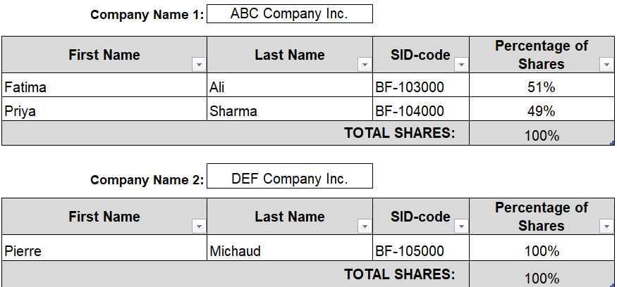
EXAMPLE:

Company Name 1:
Shareholder Information Table (Company as included in Section 1)
First Name | Last Name | SID-code | Percentage of Shares

 |  | TOTAL SHARES: (Must total 100%) | 0%

Company Name 2 (if applicable):
Shareholder Information Table (Company as included in Section 1)
First Name | Last Name | SID-code | Percentage of Shares

 |  | TOTAL SHARES: (Must total 100%) | 0%

IF APPLICABLE - Section 3. Individual Shareholders of Applicant Company

EXAMPLE:

Shareholder Information Table (Individuals as included in Section 1)
First Name | Last Name | SID-code | Percentage of Shares

 |  | TOTAL SHARES: | 0%

